Sheet1
1ST SET UP, UNITED STATES MUNA
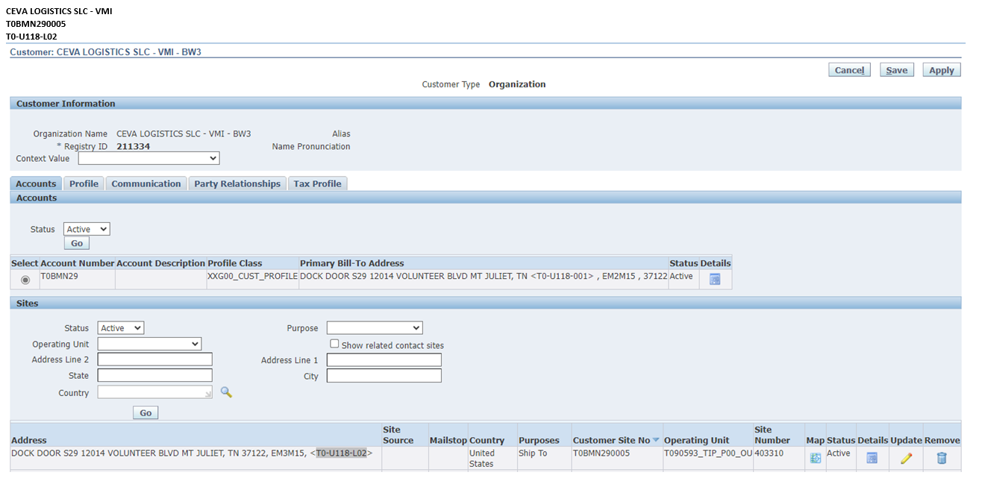

 | SHIP CUSTOMER

 | SHIP ADDRESS

2ND SET UP LAST ITEM SA CHINA SA EMAIL

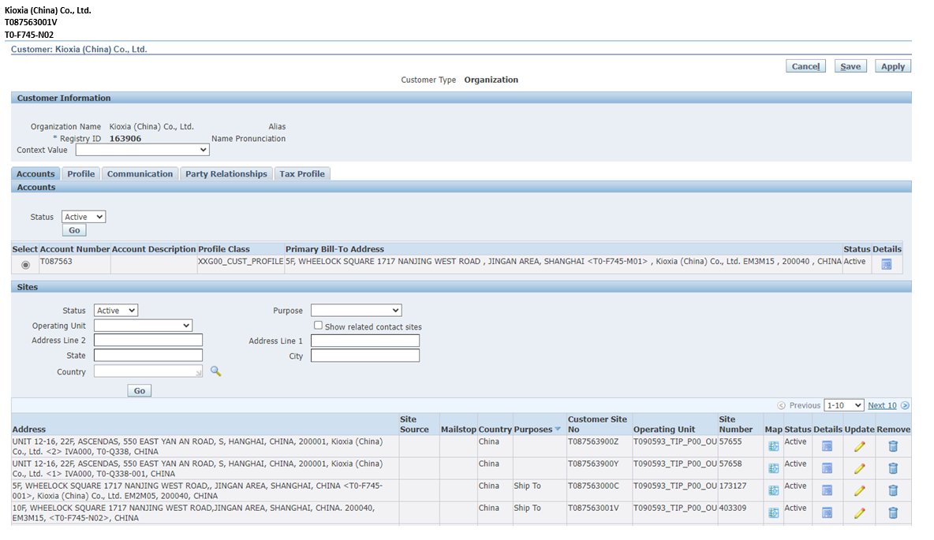

SHIP CUSTOMER(4TH)

 |  | MALI TO, DAPAT KUNG ANO LANG ANG CUSTOMER NUMBER SA MEMO (follow the arrow para di malito)
SHIP ADDRESS (4TH) |  | kung 2 ang nasa memo edi tag 2 set up ang gagawin kahit madami ang nasa screenshot

SHIP CUSTOMER(3RD)

SHIP ADDRESS (3RD)

SHIP CUSTOMER(2ND)

SHIP ADDRESS (2ND)

SHIP CUSTOMER(1ST)

SHIP ADDRESS (1ST)

